Instructions
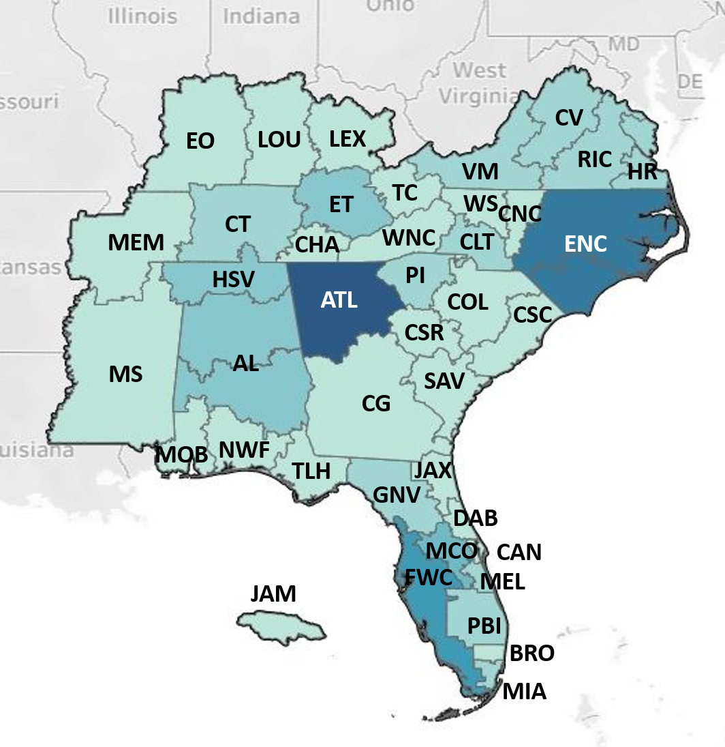
 |  | IEEE Region 3 Professional Activities
 |  | Fund Request and Report Form Instructions

1. |  | To request funds for Professional Activies event, complete the "Fund Request" worksheet of this form and email it to your Section Chair and Region 3 Professional Activities Committee Chair. Section Chairs must endorse the event via email before the funds will be approved.
2. |  | If the event is approved, funds will be distributed to the Section after the event is held, reported in vtools, and the "Report" worksheet completed and sent to your Section Chair and Region Professional Activities Committee Chair. The Section is responsible for maintaining copies of all receipts for audits.
3. | a. | Only the yellow colored cells need to be completed.
 | b. | Pull down menus are used to simplify the form. Clicking on a cell with a pull down menu will bring up the "Select from list" message and an arrow to the right of the cell. Click on the arrow to see the list and make your selection.
 | c. | Use the same spreadsheet for both the Fund Request and Report forms. The Report will copy information from the "Fund Request worksheet" to eliminate duplicate data entry.
4. |  | Region PACE funds are meant to match Section funds up to $1000 per event.
 |  | Find the Region 3 Professional Activities Committee Chair Contact information at:
 |  | https://r3.ieee.org/about/#1587483863309-20f649fe-ca1d

